System Overview
Zenkoku Hoshou (全国保証) |  | Business Terms
Guarantor definition |  | 日本語 | Romaji | English
 | "Person or firm that endorses a three party agreement to guarantee that promises made by the first party (the principal) to the second party (client or lender) will be fulfilled, and assumes liability if the principal fails to fulfill them (defaults)." | 金融 | kinyuu | financing
 | http://www.businessdictionary.com/definition/guarantor.html | 機関 | kikan | agency
 | 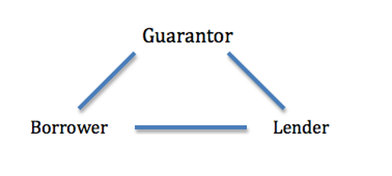 | 全国 | zenkoku | nationwide / national
 |  | 保証 | hoshou | guarantee
Zenkoku Hoshou Kanri System |  | 融資 | yuushi | financing / loan
 | Users are ZH employees not borrowers/principal | 支払い | shiharai | payment
 | Has loans such as housing, education, etc | 返済 | hensai | repayment / refund
 | Manages processes like borrower registration (encoding) and completion of payment | 代位 | daii | substitution
 | Has screen that allows authorized users to modify database / tables | 弁済 | bensai | payment / settlement
 |  | 住宅 | juutaku | housing
 |  | 競売 | keibai | auction
 |  | 契約 | keiyaku | agreement
 |  | 委託 | itaku | consignment
 |  | 領収書 | ryoushusho | receipt
 |  | 汎用 | hanyou | general purpose
 |  | 拝辞 | haiji | resigning / declining
 |  | 角２封筒 | tsuno 2 fuutou | 240 x 332 mm envelope
 |  | 規格内 | kikakunai | within the standard
 |  | 定形 | teikei | fixed form
 |  | 請求 | seikyuu | claim / bill / demand

